1. Title Page
Instacart Grocery Basket Analysis

Project Name: Instacart Grocery Basket Analysis
Date: 07/08/2023
Analyst Name: Angus Berry

Contents:
Population Flow
Consistency checks
Wrangling steps
Column derivations
Visualizations
Recommendations

2. Population Flow
Title page

Population flow

Exclusion flag
Condition: max_order <
Obervations to be removed:
Final total count of order_products_all:

Orders_products_combined
Orders_products_merged
Orders_products_all

Total:
Total:
Total:

1.) The grey boxes in the first row of the population flow represent the original data sets as they were when you downloaded them. In the Total fields you need to add the count of the rows when you imported the data set into Jupyter.
2.) The second row of boxes (coloured) represents the data sets after you manipulated them, e.g., removed missing values and duplicates. In the Total fields you need to add the count of the rows after conducting these operations. This offers a visual oveview of how the data flows throughout the data consistency checks.
3.) The third row, where also the arrows are coloured, represents the merges you performed between the datasets. In the Total fields you need to add the count of the rows in the merged datasets, so that you end up with the final dataset (in the red box). Keep in mind the final dataset should be without exclusions (based on the exclusion flag).

3. Consistency checks
 |  |  |  | Title page
Consistency checks

Dataset | Missing values | Missing values treatment | Duplicates
orders | 208902 - 'days_since_prior_order' | Created a new flag to highlight if it was the customers first order | None
products | 16 - 'product_name' | Created new df without including the missing values | 5 - removed
orders_products_prior |  |  | None
customers | 11,259 - 'first_name | Changed the data type to 'str' so no missing values showing. Was not important to change as each customer has a unique user_id and dropped the name columns later for PII reasons | None

4. Wrangling steps
 |  |  |  | Title page
Wrangling steps

Columns dropped | Columns renamed | Columns' type changed | Comment/Reason
 |  | orders - order_id | Changed to string to exclude from aggregation/ describe functions
 |  | orders - user_id | Changed to string to exclude from aggregation/ describe functions
 | order_hour_of_day' changed to 'order_time_of_day' |  | readability
 |  | first_order, product_id, add_to_cart_order, aisle_id, department_id, average_order, prices | to reduce memory errors in scripts
 | First_name changed to first_name |  | to make the headings uniform
 | Surnam changed to surname |  | spelling error
 | STATE changed to state |  | to make the headings uniform
 | n_dependants changed to number _of_dependants |  | readability
 | fam_status changed to marital_status |  | readability
first_name |  |  | Each customer has a unique user_id so the names are not necessary and were removed to eliminate any security implications.
surname |  |  | Each customer has a unique user_id so the names are not necessary and were removed to eliminate any security implications.
 | order_dow changed to order_day_of_week

5. Column derivations
 |  |  |  | Title page

Column derivations and aggregations

Dataset | New column | Column/s it was derived from | Conditions
ords_prods_merged | price_range_loc | prices | If the item was priced at under $5, it was labelled 'low-range product', if it was priced between $5-$15, it was labelled 'Mid-range product' and if it was over $15, it was labelled 'High-range product.
ords_prods_merged | busiest day | orders_day_of_week | Orders from Saturday (0) and Sunday (1) were labelled as 'Busiest days' due to the highest number of orders, Wednesday (4) and Tuesday (3) were labelled the 'Least busy' as it had the fewest orders. Every other day was labelled with 'Regularly busy'
ords_prods_merged | busiest_period_of_day | order_time_of_day | Day split into 3 groups including 8 hours each. The 8 most busy were labelled with 'Most orders', the next 8 most busy were labelled with 'Average orders' and finally the remaining 8 were labelled with 'Fewest orders'
ords_prods_merged | loyalty_flag | max_order | Customers with over 40 orders were labelled 'Loyal customer', customers with more than 10 but fewer than 40 were labelled 'Regular customer' and those with under 10 orders labelled 'New customer'
ords_prods_merged | spender_flag | average_order | If the average order was over $10, they were labelled a 'High spender', if it was below $10, they were labelled a 'Low spender'
ords_prods_merged | order_frequency_flag | days_since_prior_order | If the median of “days_since_prior_order” is higher than 20, then the customerwas labeled a “Non-frequent customer.” If the median is higher than 10 and lower than or equal to 20, then the customer was labeled a “Regular customer.” If the median is lower than or equal to 10, then the customer should be labeled a “Frequent customer.”
order_products_all | Region | state | States were grouped into regions of the USA, including those from the 'Northeast', 'Midwest', 'South' and 'West'
order_products_all | activity_flag | max_order | Created a subset to export data including all customer with less than 5 orders
order_products_all | age_group | age | All customers under 33 were labelled 'Young adult', those between 33 and 65 we labelled 'Middle-aged adult' and over 65s were labelled as 'Senior adult'
order_products_all | income_group | income | Customer with an income of less than $50,000 were labelled as 'Low income', between $50,000 and $125000 were labelled as 'Average income' and those over $125,000 were labelled as 'High income'
order_products_all | Dependants | number_of_dependants | This was to determine which customers are parents. If the number_of_dependants column was 1 or more than they were labelled 'Has dependants', otherwise they were labelled as 'No dependants
order_products_all | customer_profile | Dependants / income group | these were split into either low, average or high income, with or without dependants to form 6 categories.

6. Visualizations
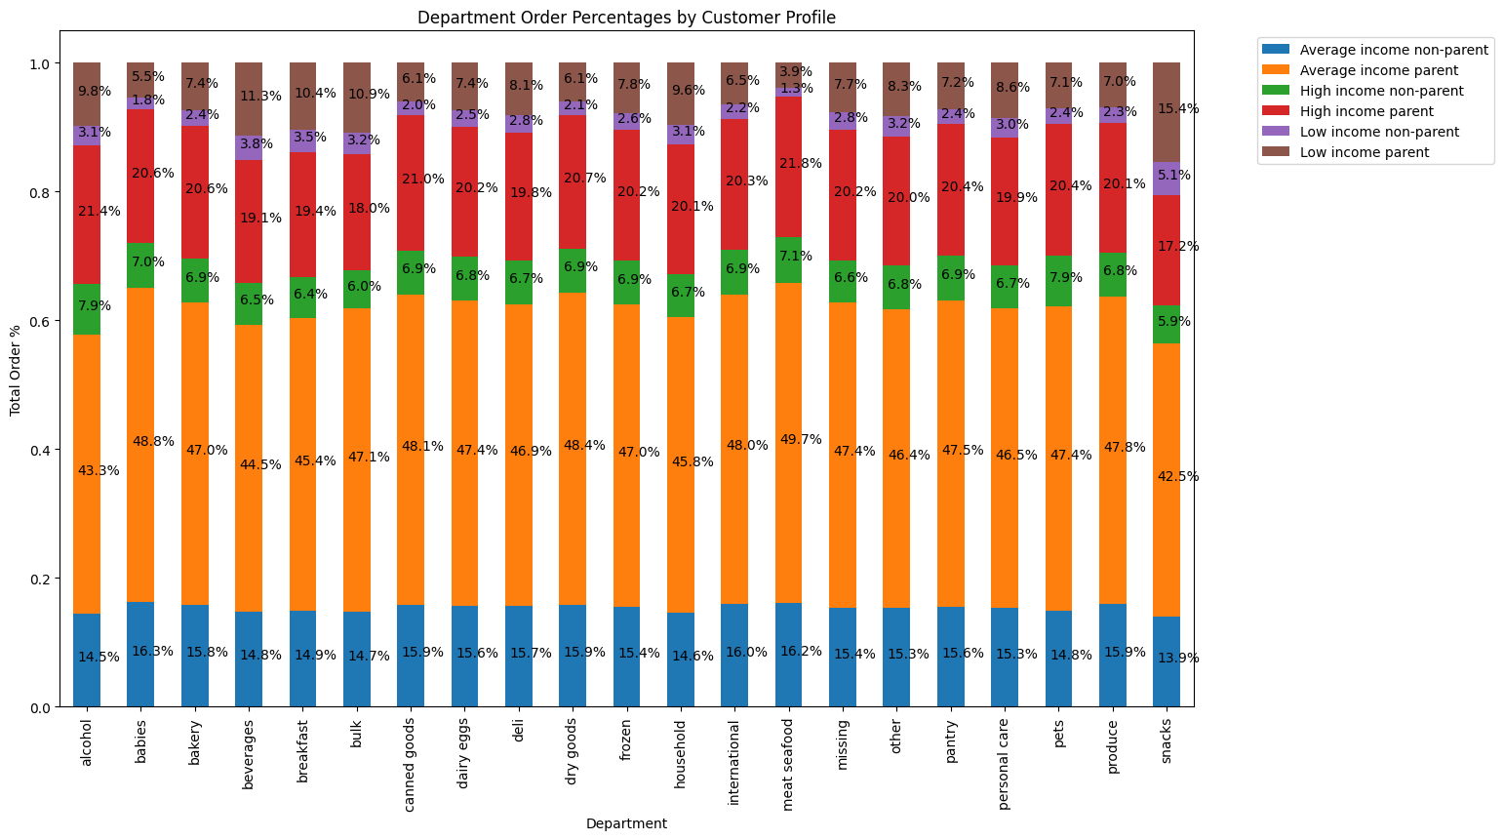
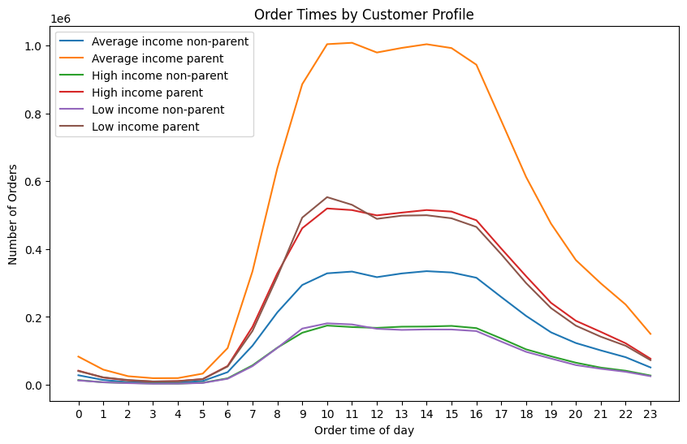
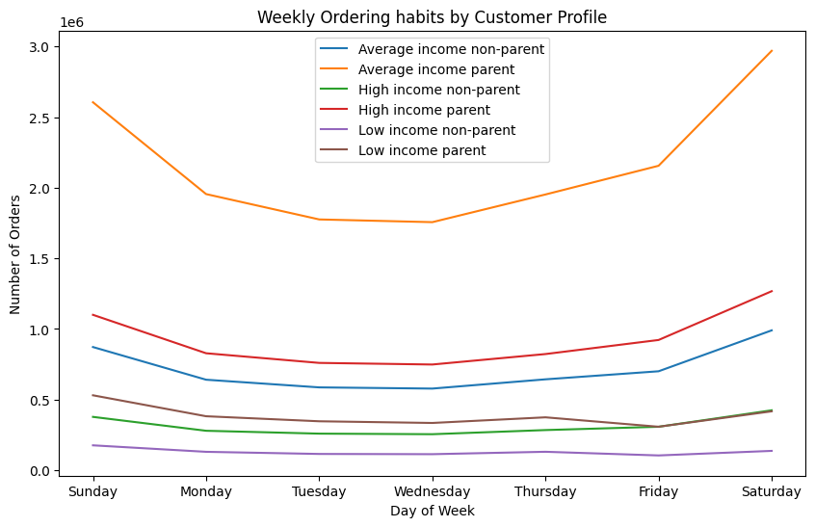
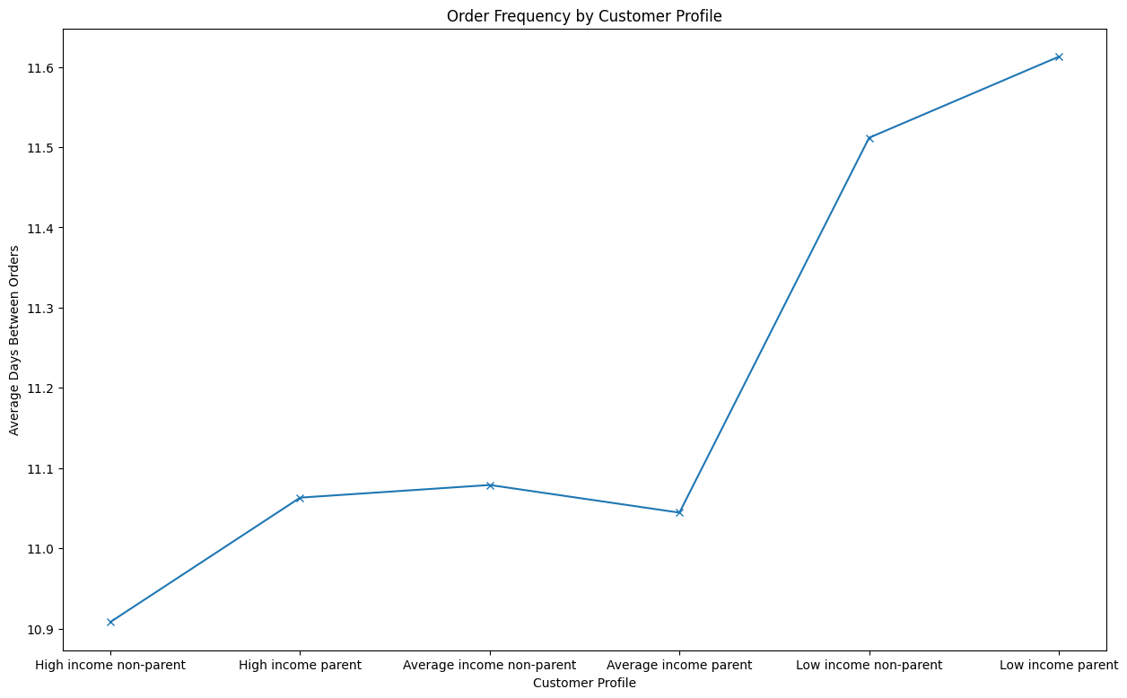
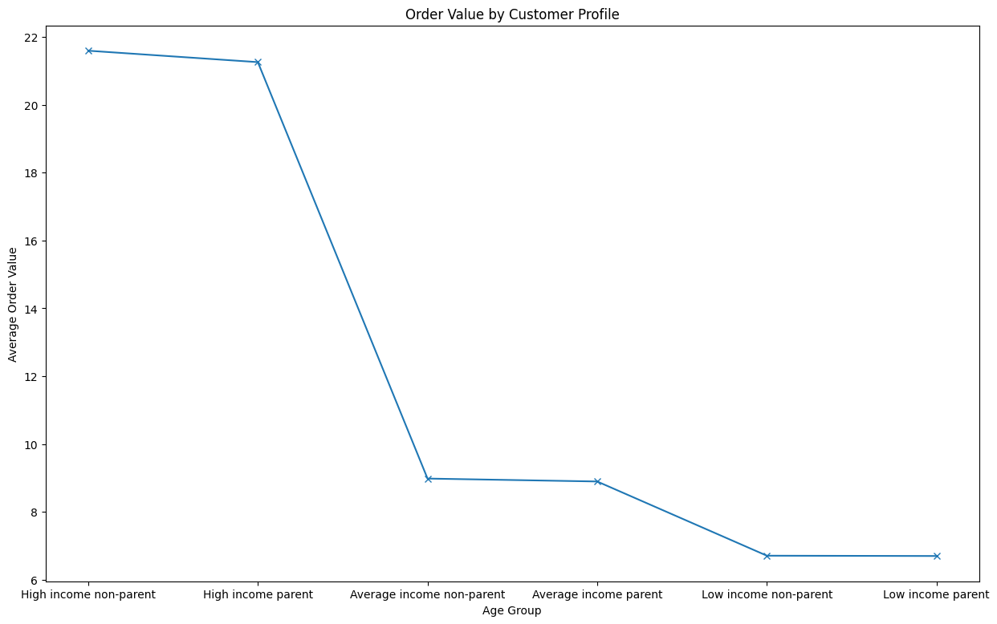
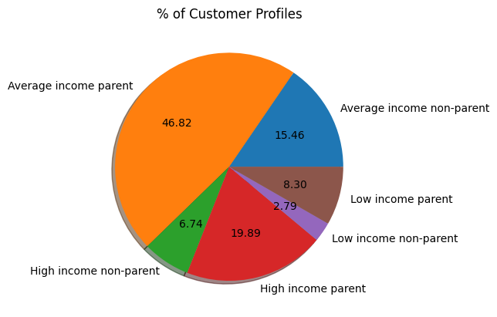
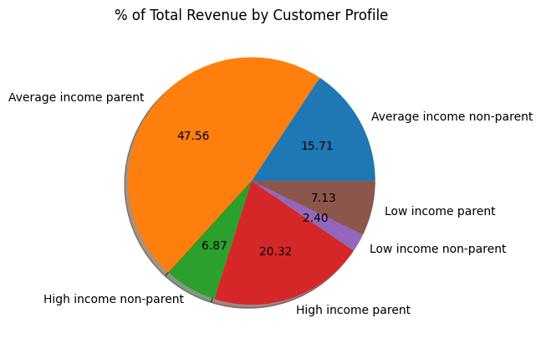
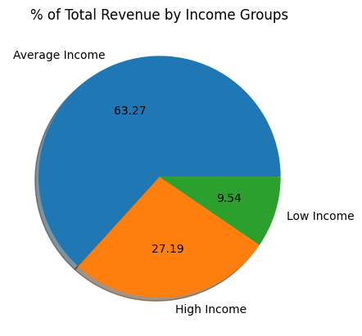
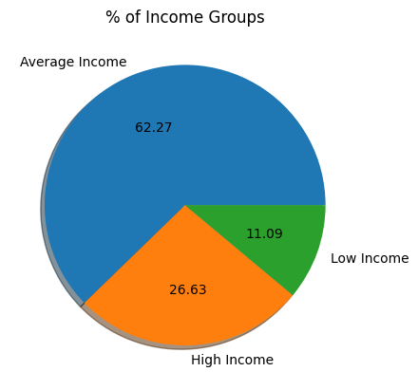
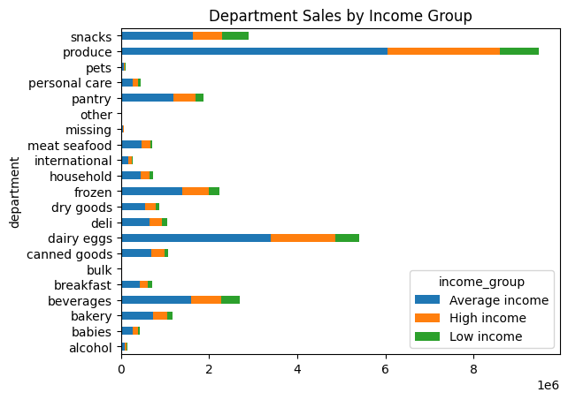
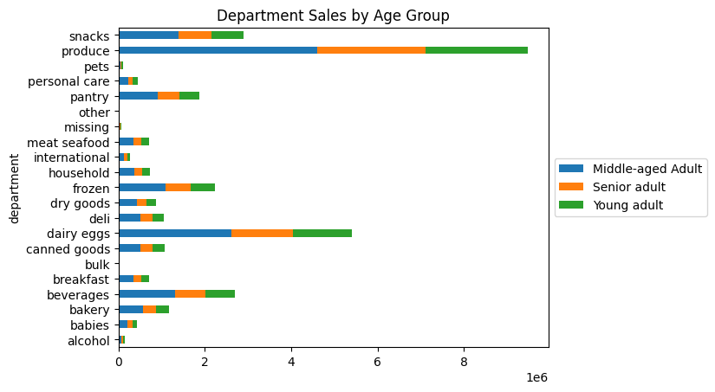
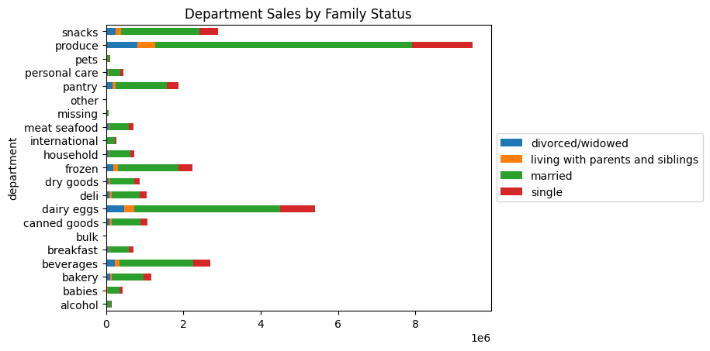
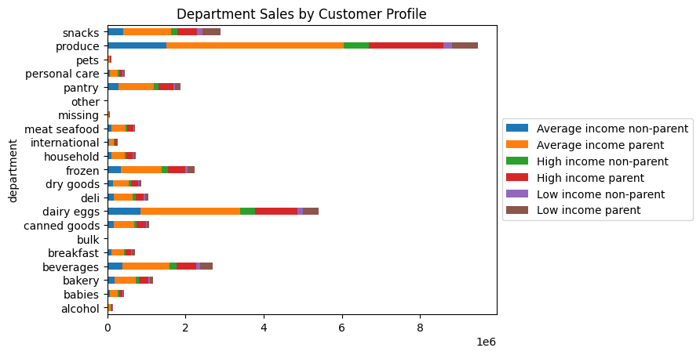
 | Title page

Visualisations

In this tab you should include all the visualtions from Exercises 4.9 and 4.10, alongside the questions from the project brief that they answer. Include any commentary on the relationship between different variables.

Question 1
The sales team needs to know what the busiest days of the week and hours of the day are (i.e., the days and times with the most orders) in order to schedule ads at times when there are fewer orders.

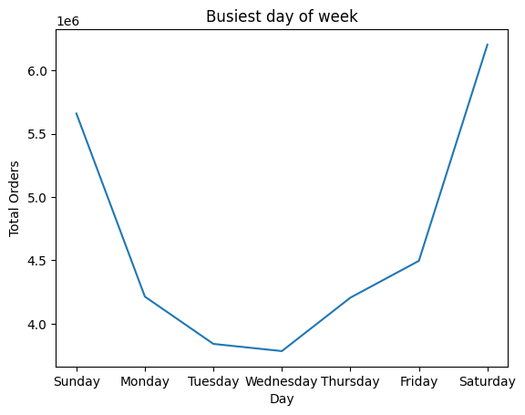
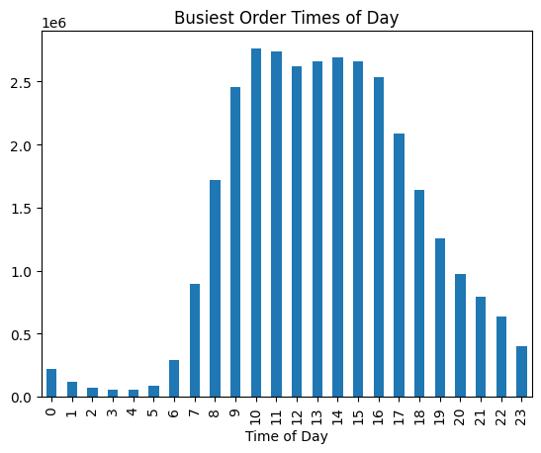

Question 2
Are there particular times of the day when people spend the most money, as this might inform the type of products they advertise at these times.

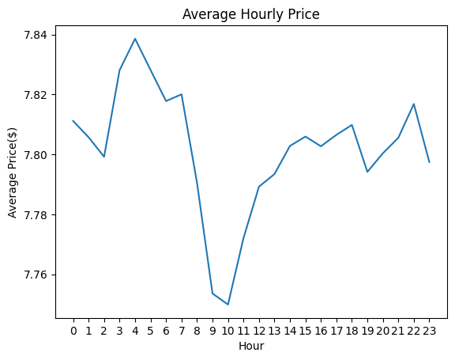
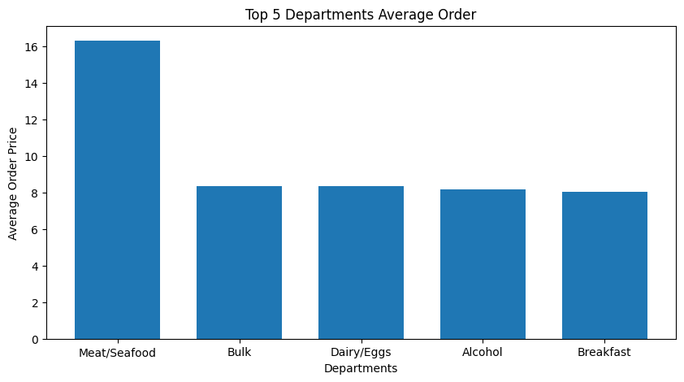

Question 3
Marketing and sales want to use simpler price range groupings to help direct their efforts.

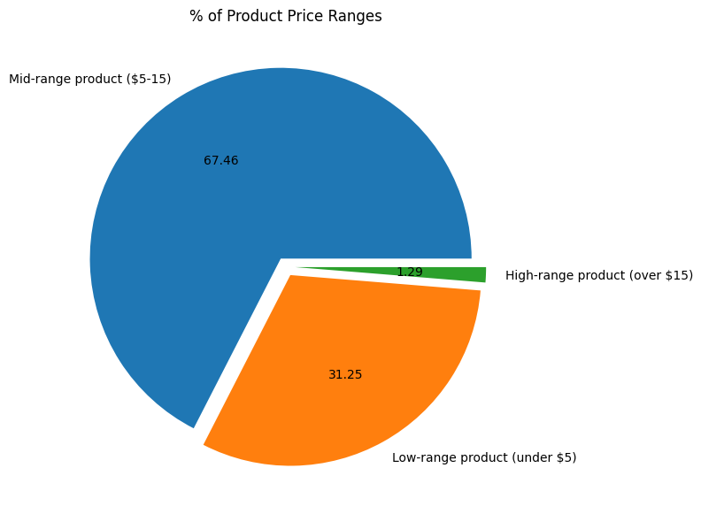

Question 4
The marketing and sales teams want to know which departments have the highest frequency of product orders.

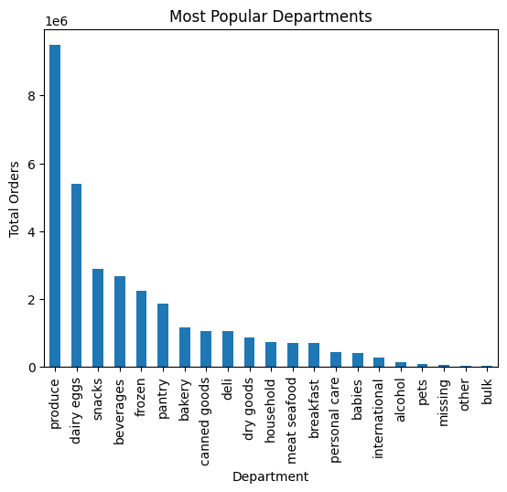

Question 5
What’s the distribution among users in regards to their brand loyalty (i.e., how often do they return to Instacart)?

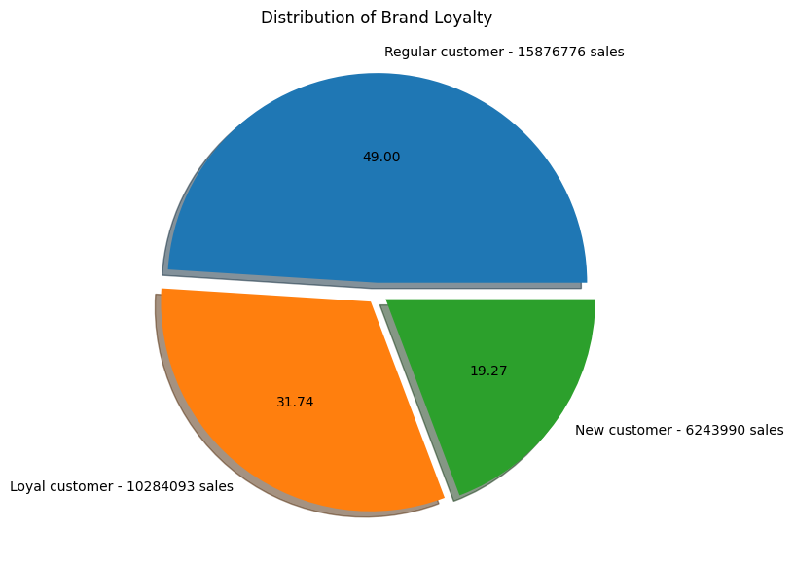

Question 6
Are there differences in ordering habits based on a customer’s loyalty status?

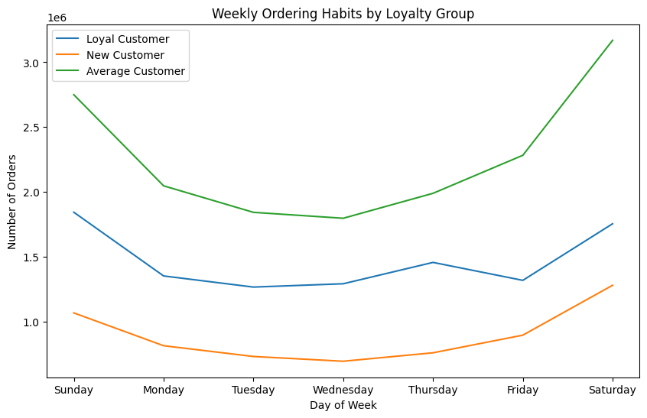
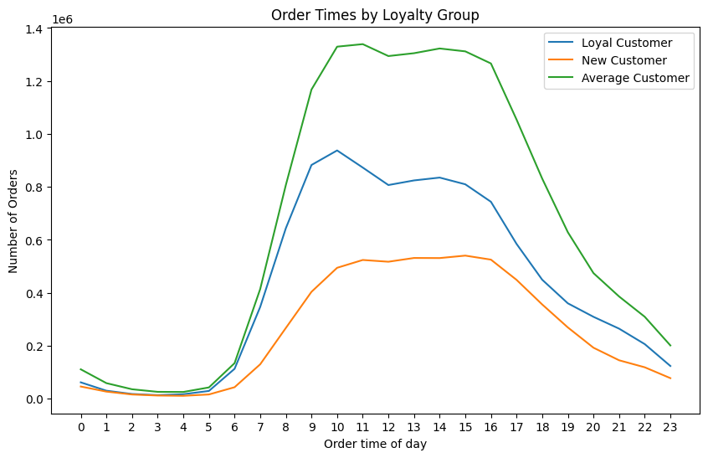
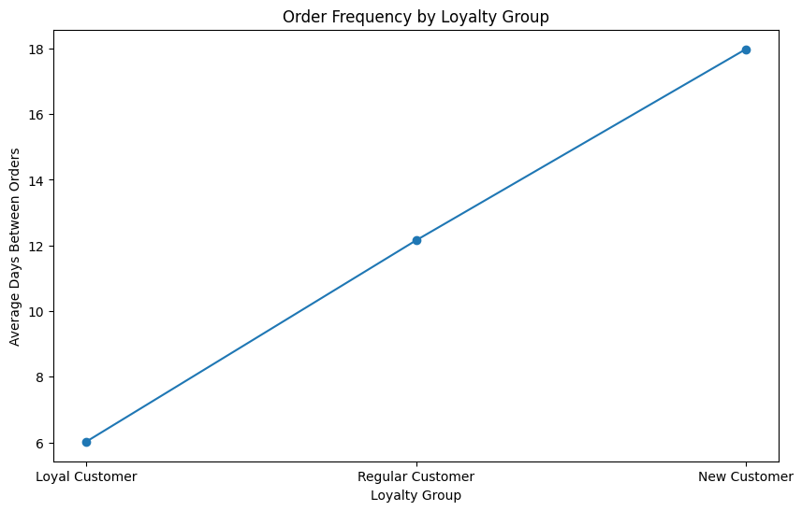
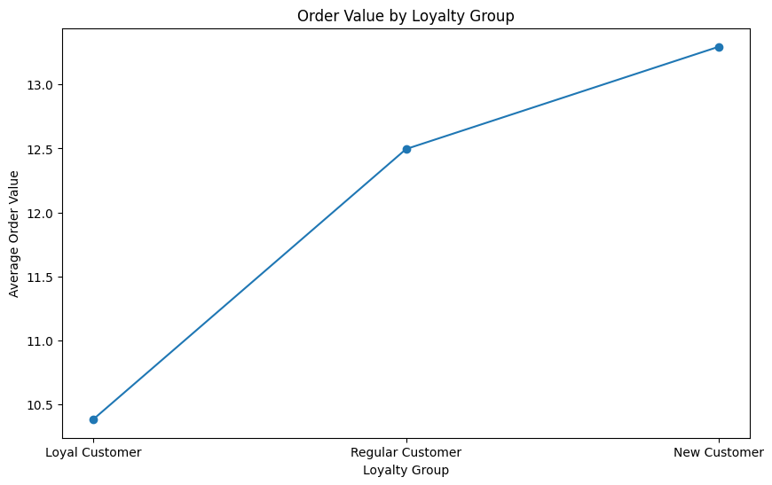

Question 7
Are there differences in ordering habits based on a customer’s region?
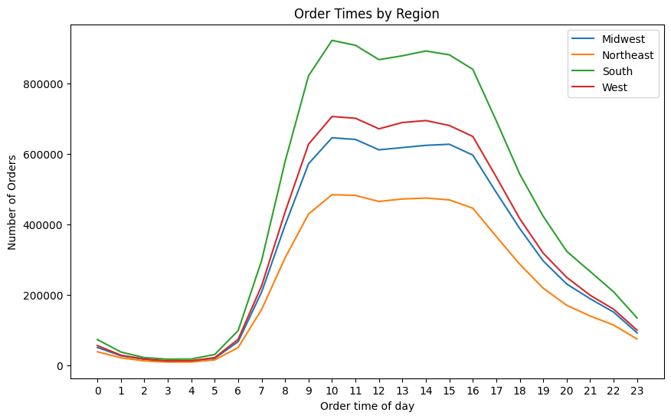
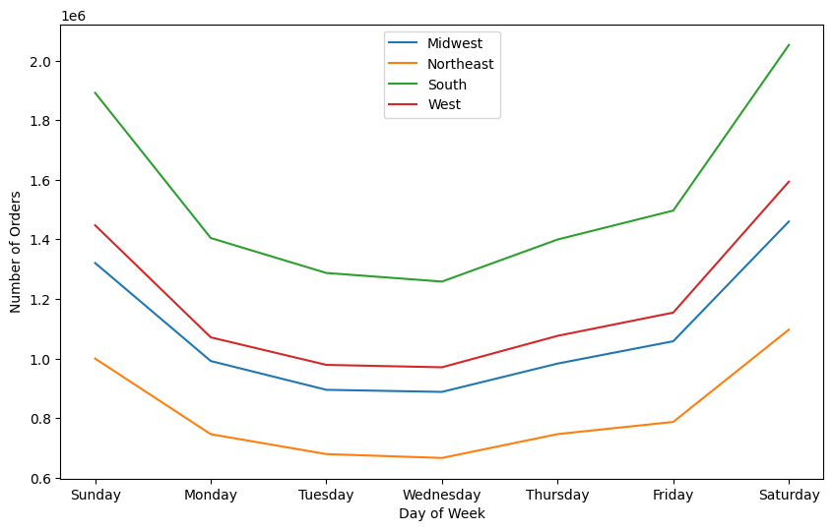
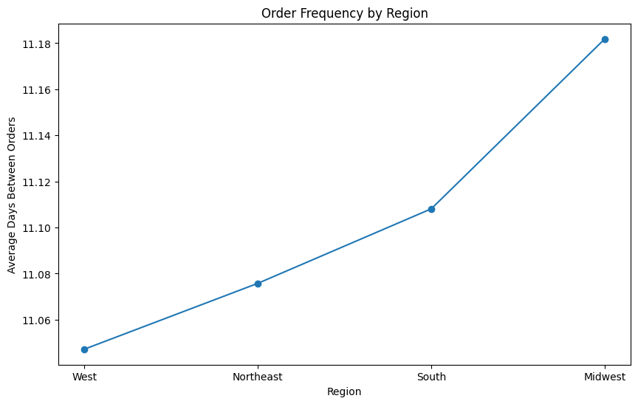
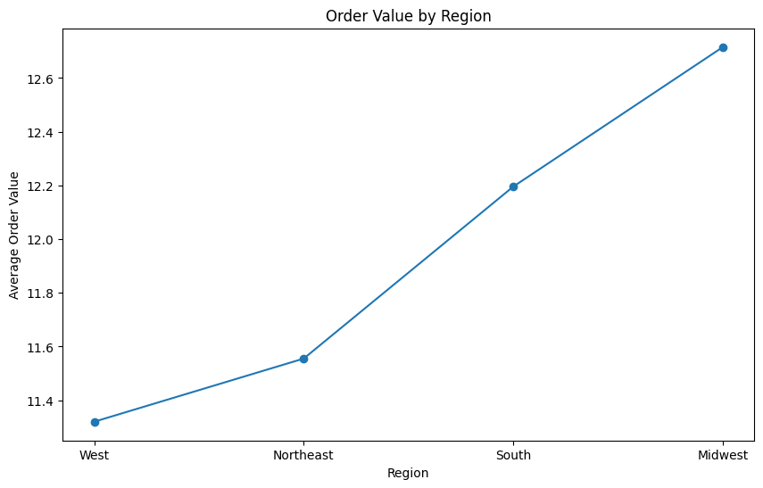

Question 8
Is there a connection between age and family status in terms of ordering habits?
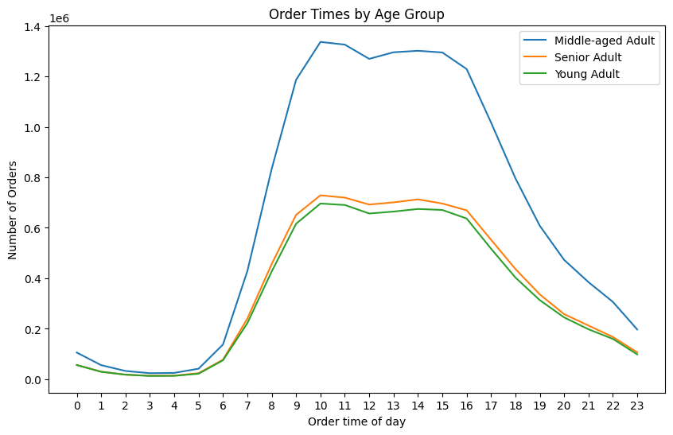
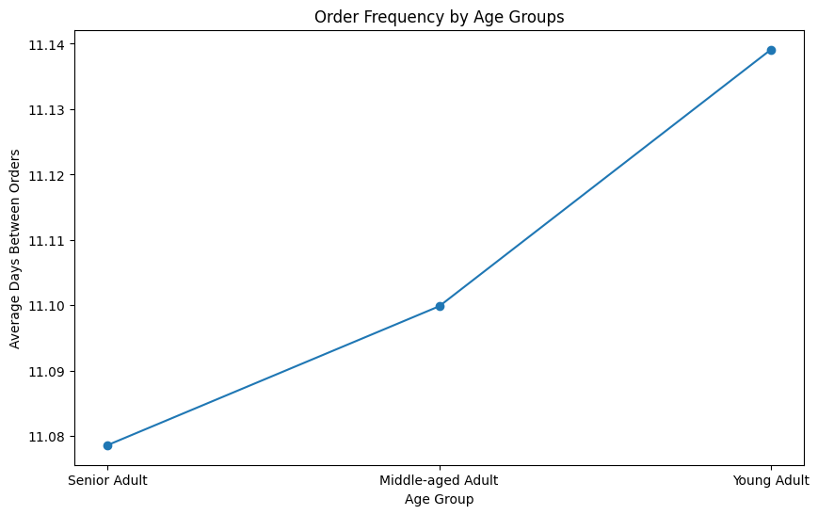
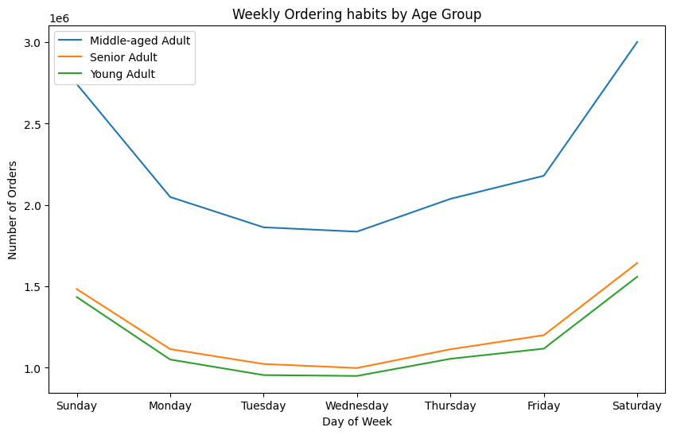
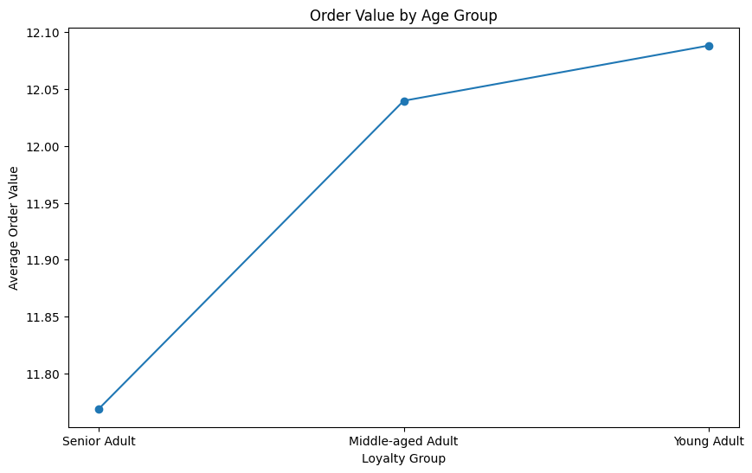

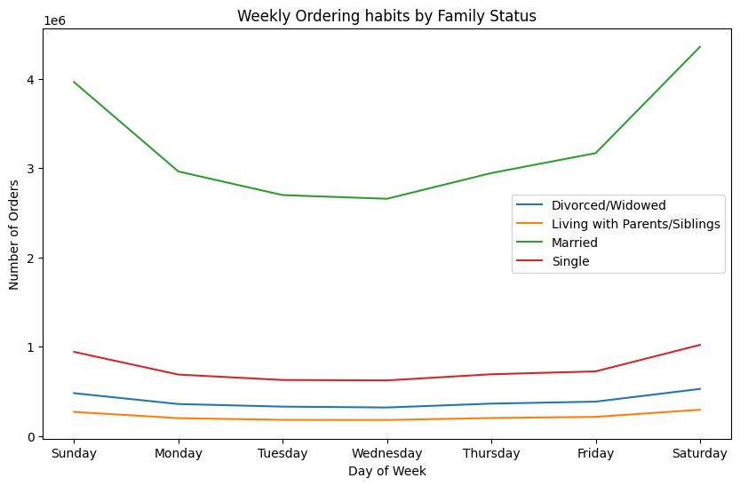
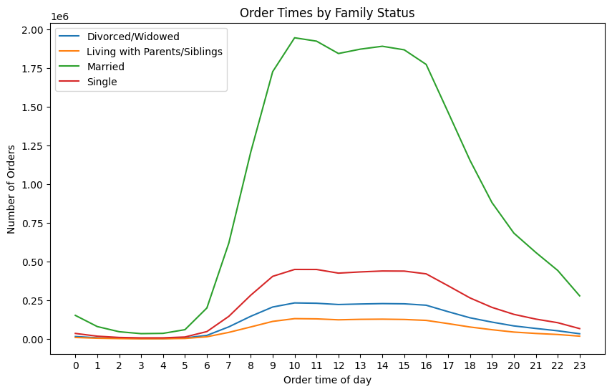
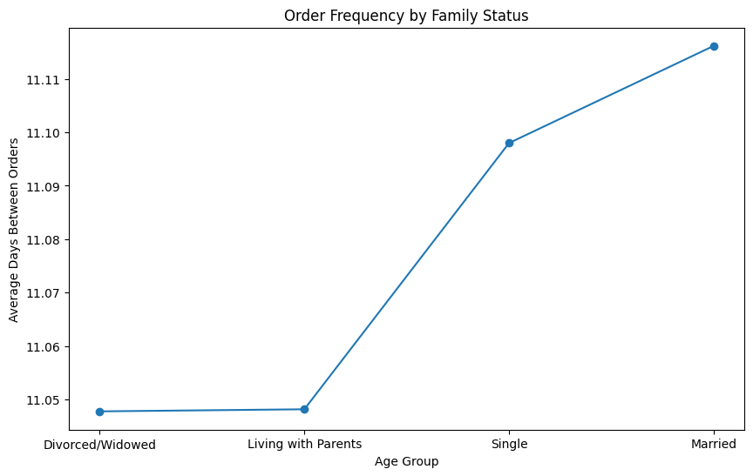
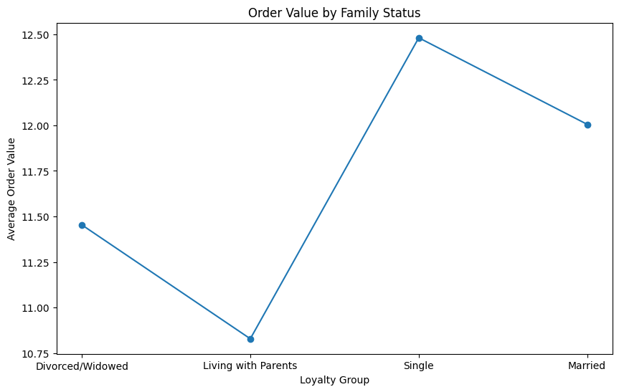

Question 9
What different classifications does the demographic information suggest? Age? Income? Certain types of goods? Family status?
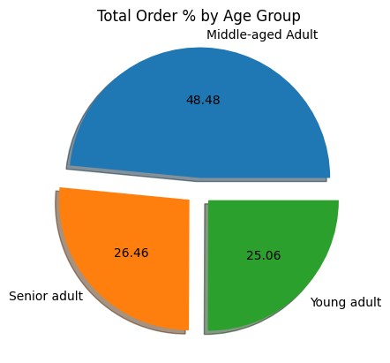
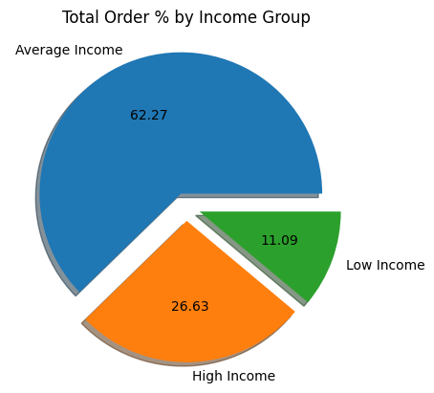
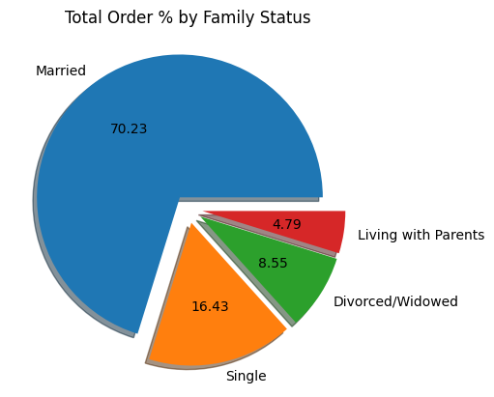

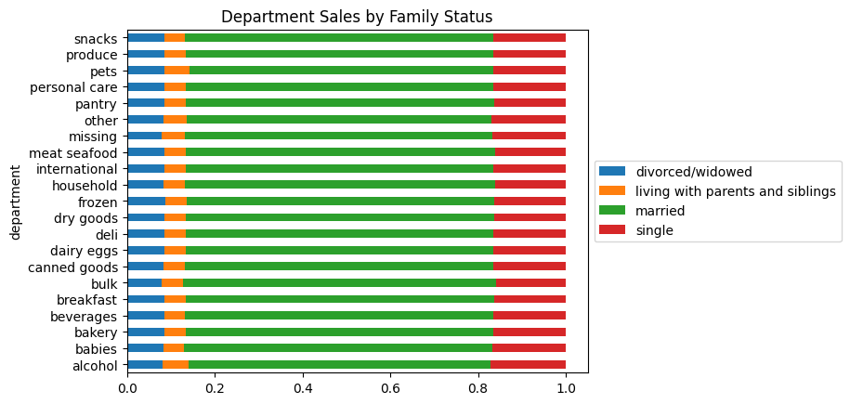
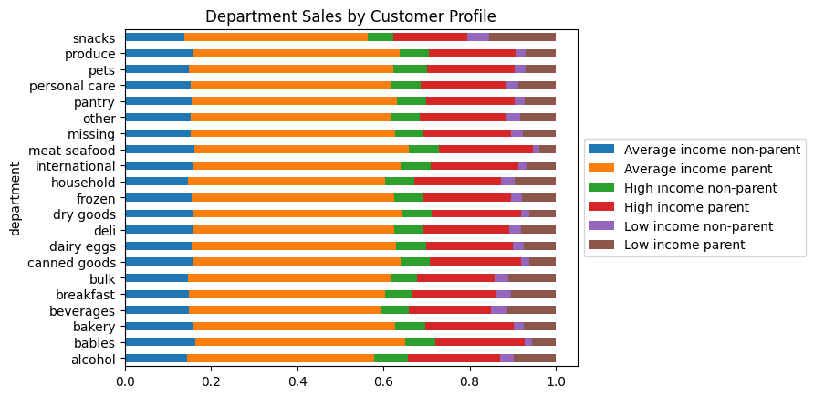
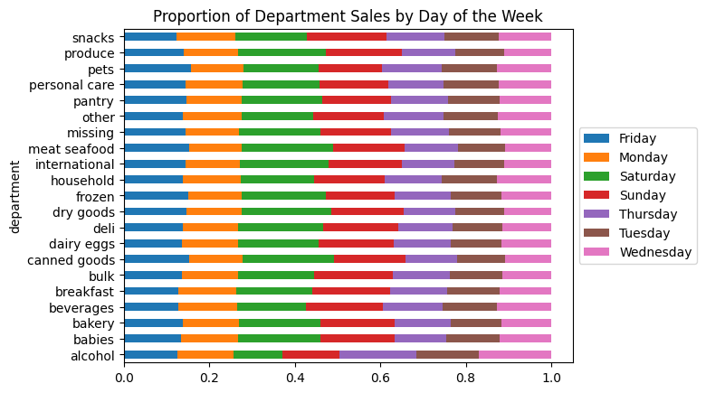

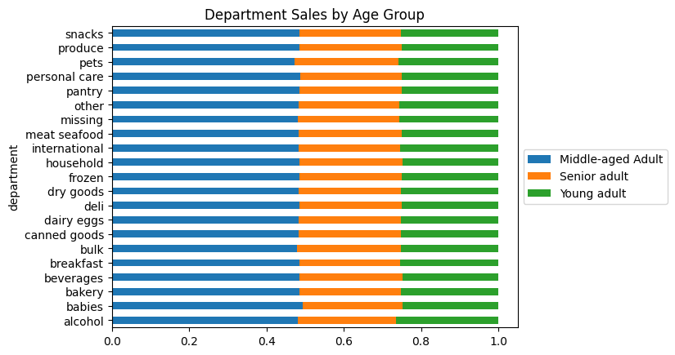
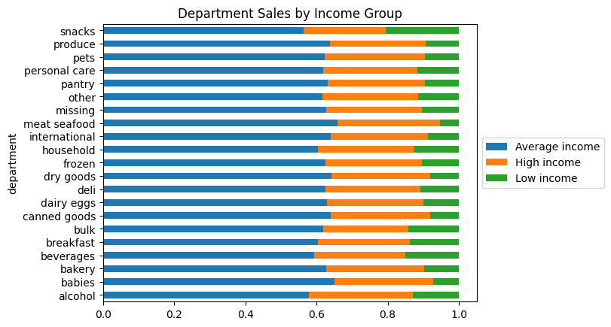
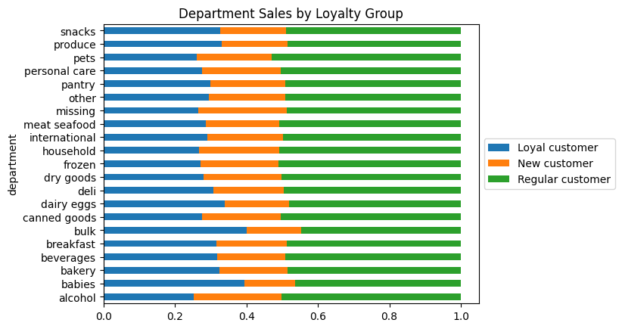

Question 10
What differences can you find in ordering habits of different customer profiles? Consider the price of orders, the frequency of orders, the products customers are ordering, and anything else you can think of.

7. Recommendations
 |  | Title page

Recommendations

In this tab you should include any recommendations you would made to Instcart in terms of their marketing strategy based on the questions posed in the brief. Every key question has been covered in the Tasks of the Exercises - here you need to add an item - a visualisation or table/crosstable that is showing the answer in the data, acompanied by a comment from you. Please, list the questions below and add the answer underneath.

Question | Answer
Key Question 1 | I would recommend Instacart to schedule more of their ads on Tuesday and Wednesday evenings when orders are lower and for maximum engagement

Key Question 2 | There are peaks at 4am, 7am, 6pm and 10pm. I would recommend advertising products from within the top 5 highest average priced departments -'Meat/seafood','Bulk','Dairy/Eggs','Alcohol' and 'Breakfast'

Key Question 3 | I recommend grouping the products into 3 categories, 'low-range' for items under $5, 'Mid-range' for items between $5 - $15, and 'High-range' for products over $15

Key Question 4 | The top 5 departments for frequency of orders are
 | 1. Produce
 | 2. Dairy/Eggs
 | 3. Snacks
 | 4. Beverages
 | 5. Frozen
 | I would recommend to allocate a larger portion of advertising to these departments as they are likely to return higher profits

Key Question 5 | 49% of Instacart's customers have been classed as regular (between 10-40 orders in total), 31.7% as loyal(over 40 orders) and 19.2% as new (under 10 orders). If the company is looking to convert more new customers to regular/loyal then I would recommend an offer where they are rewarded after 10 orders.

Key Question 6 | New customers order value is higher but they are less frequent than loyal or regular customers. Average yearly spend is $629.04 for loyal customers, $375.23 for regular customer and $269.93 for new customers.
 | Instacart should see if loyalty offers significantly increase the percentage of customers that continue to order from the company regularly as they are worth more per year.
 | In terms of ordering habits relating to day of week / time of day, there is no major difference between any of the groups. Orders are more popular between 9am and 5pm and peak at the weekends.

Key Question 7 | The order frequency is higher in the Midwest and they also have a higher average order value. There are more orders from southern states and they are also the second highest in terms of average order price. Marketing should be targeted primarily towards these two areas.

Key Question 8 | Over 70% of orders come from married customers. Order frequency is very similar across all family status's. Single customers have a higher average order. Perhaps look at marketing individual and couples meal deals to see if we can see a rise in order frequency or average prices paid.

Key Question 9 | The demographic iunformation shows the majority of Instacart customers are middle-aged, married people on an average income. The company then seems to appeal to more wealthy and older customers so it would be interesting to trial a luxury range of products to see if there is more engagement from these group or if more customers are introduced to the company.

Key Question 10 | As a general rule when looking at age, income, family status and loyalty groups, we notice that the customers that order more frequently, tend to spend less on average. That trend is reversed when considering the customer profiles we introduced (high, middle and low income parents/non parents). In their case the high income customers order more frequently and spend around 3 times as much as low and middle income groups. This information should be utilised to try and drag the average spend of customers up.

 | Percentage of revenue contributed is also higher than the percentage of total customers for the middle income and higher income groups.

 | Alcohol and Bulk departments demand a high average price but account for very few sales relative to the rest. There may be an opportunity to increase sales by marketing these more or introducing new items and offers.

